1. proposal2_foam1
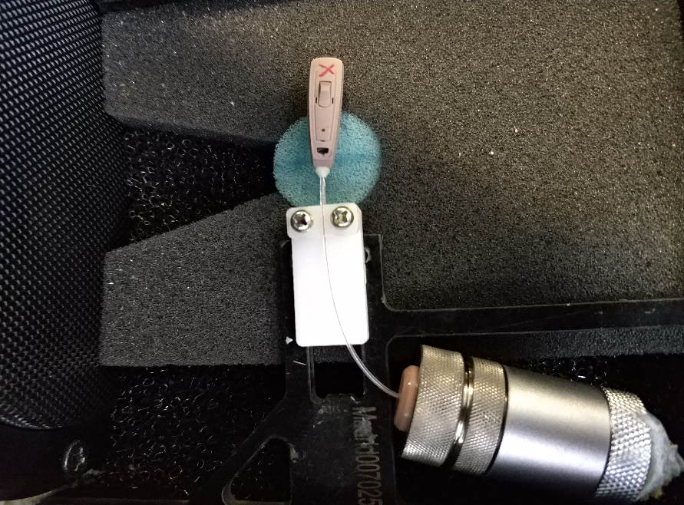
 | proposal 2 jig
 |  | foam1: attach a foam around the red line on frame

BUT, this comparision use different frame, the connect tightness between frame and jig may be different
so, next use same frame, just tear off the foam on the frame

found: the gap is not so big

2. foam2
switch to use original new design jig
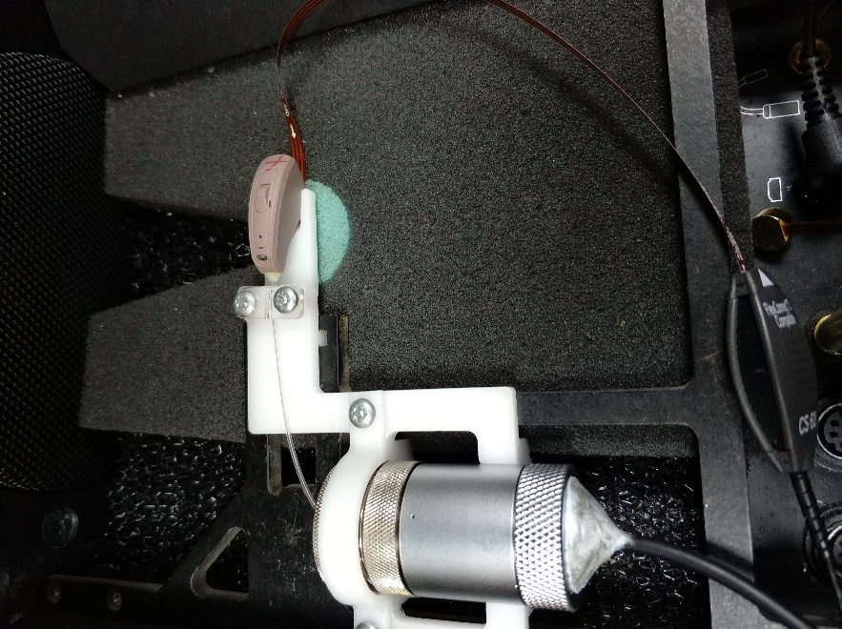

will find most HI will fail, so use the proposal2 again. No foam

the failed HI can pass again in the proposal2 even no foam

now, use foam2 to isolate the vibration from frame
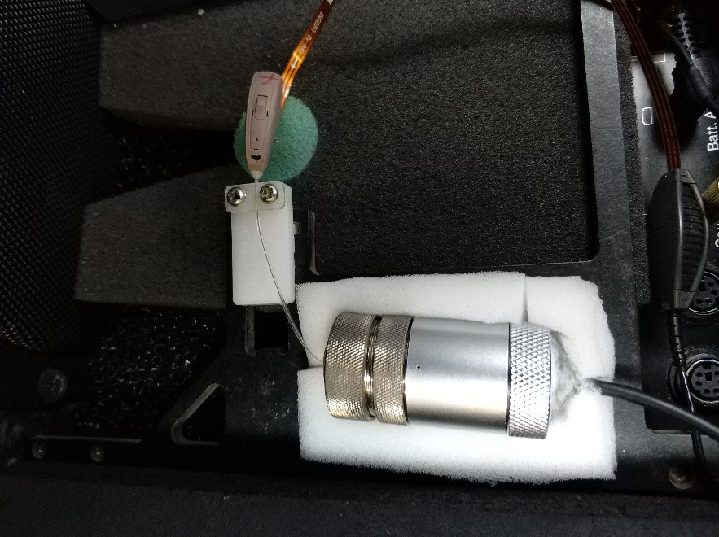

use this foam, the result will be very good

